Questions
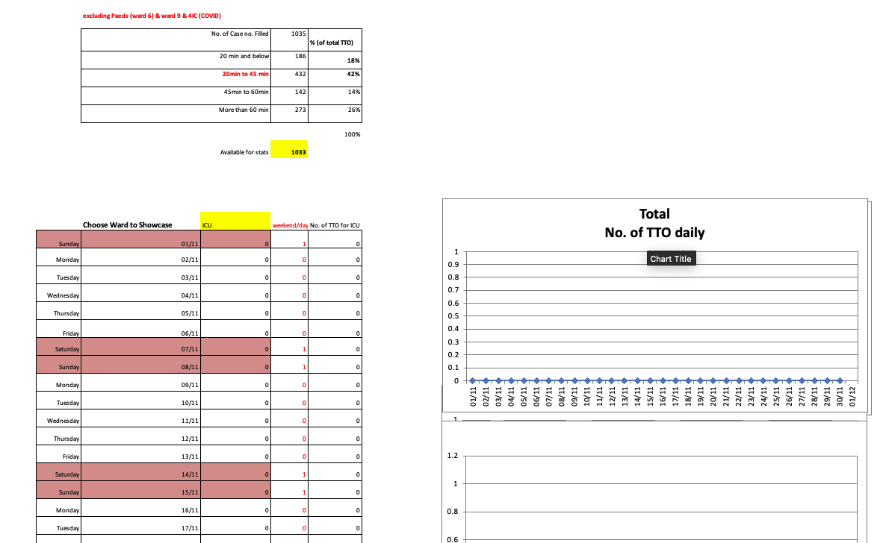
Questions/Doubts on the Metrics
No. | Question | Answer
1 | Please fill up the 'Variable Meaning' column in the 'Metrics' sheet. Generally, we need the specific meaning of each title to better understand the data. | Please edit in the 'Metrics' sheet, 'Variable Meaning" - yellow colour block.
2 | Can I have a list of all the abbreviations across the datasets as well as the description for each?
3 | Can we have the workflows of the pharmacy department from each hospital?
4 | What are the similarities and differences between each hospital? - We tried to colour-code the variables that might be referring to the same meaning in the 'Metrics' sheet.. - We would need your verification to understand if they are of the same reference and if there are others, please do indicate.
5 | MNH DATASET: Column AA onwards (Image reference: Please scroll below) There are calculative charts indicated in this dataset. Could you send us a description what they are for and if these are relevant to the overall analytics results as only this dataset has this.

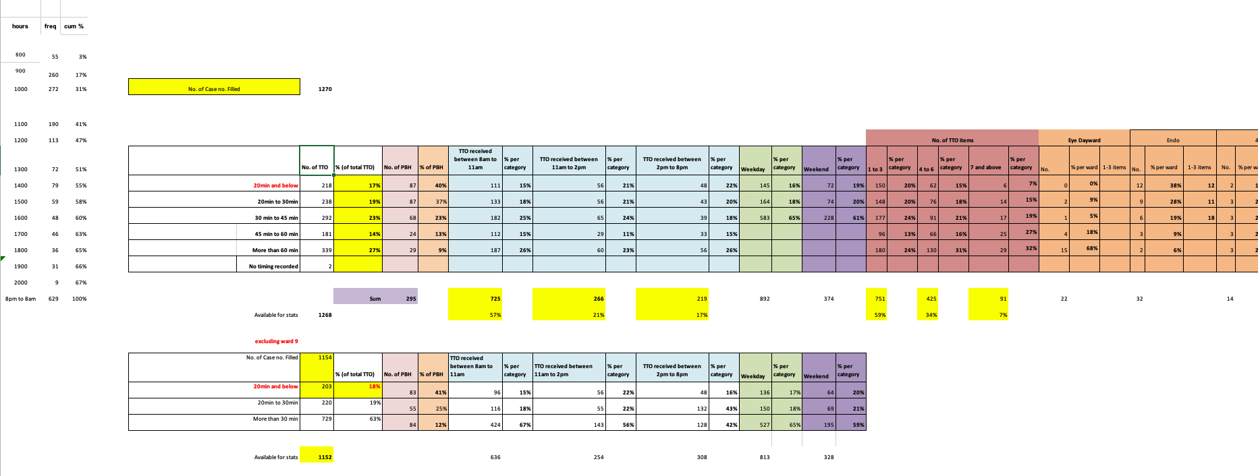
 | MNH DATASET (Column AA onwards)

